Chinese
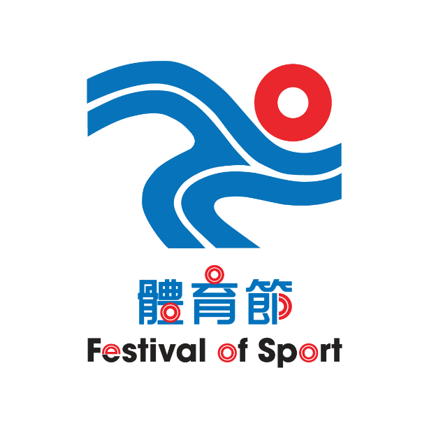 |  | Organizer : |  | Co-organizer : |  |  | Subvented by :
 |  | 主辦機構 |  | 協辦機構 |  |  | 資助機構
 |  | 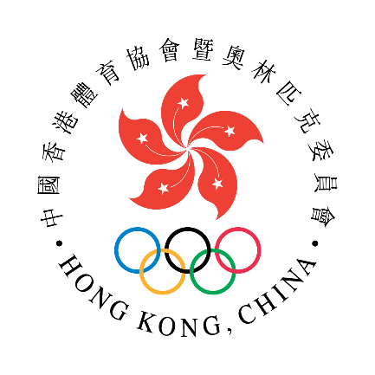 |  | 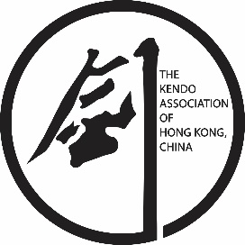 |  |  |  | 

第67屆體育節-粵港澳大灣區劍道比賽
The 67th Festival of Sport - Guangdong - Hong Kong - Macao - Greater Bay Area Kendo Tournament
日期：2024年5月19日(星期日) 時間：08:00 - 18:00 Date: 19th May 2024 (Sunday) Time: 08:00-18:00
場地 : 九龍公園體育館(九龍尖沙咀柯士甸道22號)
Venue : Kowloon Park Sports Centre (22 Austin Road, Tsim Sha Tsui, Kowloon)
道場： Dojo: |  | 截止日期：2024年5月2日(星期二)下午五時正 Closing Date: 2nd May, 2024 (Tuesday), 5pm
 |  | 報名費：每位港幣200元 Entry Fee: HK$200 per person
填妥後，請以電郵或傳真回本會。 Please submit the duly completed form by email or fax. (電郵 Email: hkka@hkolympic.org / 傳真 Fax: 2890 8052)
(A1) 兒童組個人賽 (I) (6-9歲男女子混合) Children Individual (I) (Aged 6-9, Mixed) (A2) 兒童組個人賽 (II) (10-12歲男女子混合) Children Individual (II) (Aged 10-12, Mixed) (B) 男子少年組個人賽 (13-17歲)Male Teenage Individual (Aged 13-17) (C) 女子少年組個人賽 (13-17歲)Female Teenage Individual (Aged 13-17) (D) 女子組個人賽 (18歲或以上，無段至初段) Women's Individual (Aged 18 or above, 0-1 Dan) (E) 女子組個人賽 (18歲或以上，二段至五段) Women Individual (Aged 18 or above, 2-5 Dan) (F) 男子組個人賽 (18歲或以上，無段) Men's Individual (Aged 18 or above, No Dan) (G) 男子組個人賽 (18歲或以上，初段至二段) Men's Individual (Aged 18 or above, 1-2 Dan) (H) 男子組個人賽 (18歲或以上，三段至六段) Men's Individual (Aged 18 or above, 3-6 Dan)
 | 姓名 (中文/漢字) Name in Chinese/Kanji | 英文姓名 Name in English | 賽事組別 (請參照以上黄格) Event Category (Please refer to above highlighted column) | 段位 Dan | 性別 Gender | 年齡 Age | 身高 Heignt in cm (for aged 17 or below/ 適用17歲或以下) | 4段或以上可報名做審判 (Participants with 4 Dan or above are qualified to sign up as referees)/工作人員(Helper)
EG | 陳大文 | CHAN TAI MAN | 7 | 2 | M | 30
1
2
3
4
5
6
7
8
9
10
11
12
13
14
15

館主Dojo Master / President: |  |  |  | 日期 Date:
 |  | 簽署: Signature
你提供的資料，只作中國香港劍道協會舉辦的活動報名事宜、統計、日後聯絡及活動意見調查之用，有關資料亦只限獲本會授權人員方可查閱作前述目的之用。遞交申請表後，如欲更正或查詢個人資料，請與本會職員聯絡。
The information provided by you will only be used for enrollment of sports activities organized by the Kendo Association of Hong Kong, China, statistical reviews, future contact purpose and opinion survey. Only those who are authorized by this Association will have access to such information for the aforesaid purposes. For correction of or access to personal data collected by means of this form, please contact staff of the Association.

