Chinese
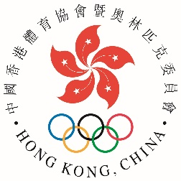
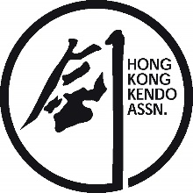

 |  | Organiser : |  |  |  | Co-organizer : | Subvented by :
 |  | 主辦機構 |  |  |  | 協辦機構 | 資助機構

第64屆體育節-粵港澳大灣區劍道賽
64th Festival of Sport - Hong Kong - Guangdong - Macao - Greater Bay Area Kendo Tournament
日期：2021年5月30日(星期日) 時間：11:00 - 18:00 Date: 30th May 2021 (Sunday) Time: 11:00-18:00
場地 : 香港公園體育館主場 (中環紅棉路29號)
Venue : Hong Kong Park Sports Centre Arena (29 Cotton Tree Dr, Central)

(1) 兒童組個人賽 (6-12歲男女子混合) Children Individual (Aged 6-12, Mixed) (2) 少年組個人賽 (13-17歲 男女子混合) Teenage Individual (Aged 13-17, Mixed) (3) 女子組個人賽 (18歲或以上，無段至初段) Women's Individual (Aged 18 or above, 0-1 Dan) (4) 女子組個人賽 (18歲或以上，二段至五段) Women Individual (Aged 18 or above, 2-5 Dan) (5) 男子組個人賽 (18歲或以上，無段) Men's Individual (Aged 18 or above, No Dan) (6) 男子組個人賽 (18歲或以上，初段至二段) Men's Individual (Aged 18 or above, 1-2 Dan) (7) 男子組個人賽 (18歲或以上，三段至六段) Men's Individual (Aged 18 or above, 3-6 Dan)
道場： Dojo: |  | 截止日期：2021年5月17日(星期一)下午五時正 Closing Date: 17th May, 2021 (Monday), 5pm
 |  | 報名費：每位港幣180元 Entry Fee: HK$180 per person
填妥後，請以電郵或傳真回本會。 Please submit the duly completed form by email or fax. (電郵 Email: hkka@hkolympic.org / 傳真 Fax: 2890 8052)
 | 姓名 (中文/漢字) Name in Chinese/Kanji | 英文姓名 Name in English | 賽事組別 (請參照以上黄格) Event Category (Please refer to above highlighted column) | 段位 Dan | 性別 Gender | 年齡 Age (Children & teenager only) | 身高 Heignt in cm (for children & teenage events only/適用於兒童組及少年組) | 3段或以上可報名做審判 (Participants with 3 Dan or above are qualified to sign up as referees)
1
2
3
4
5
6
7
8
9
10
11
12
13
14
15

館主Dojo Master / President: |  |  |  | 日期 Date:
 |  | 簽署: Signature
你提供的資料，只作香港劍道協會舉辦的活動報名事宜、統計、日後聯絡及活動意見調查之用，有關資料亦只限獲本會授權人員方可查閱作前述目的之用。遞交申請表後，如欲更正或查詢個人資料，請與本會職員聯絡。
The information provided by you will only be used for enrollment of sports activities organized by the Hong Kong Kendo Association, statistical reviews, future contact purpose and opinion survey. Only those who are authorized by this Association will have access to such information for the aforesaid purposes. For correction of or access to personal data collected by means of this form, please contact staff of the Association.

